Bata SPECIAL EDITION Sneakers
 | 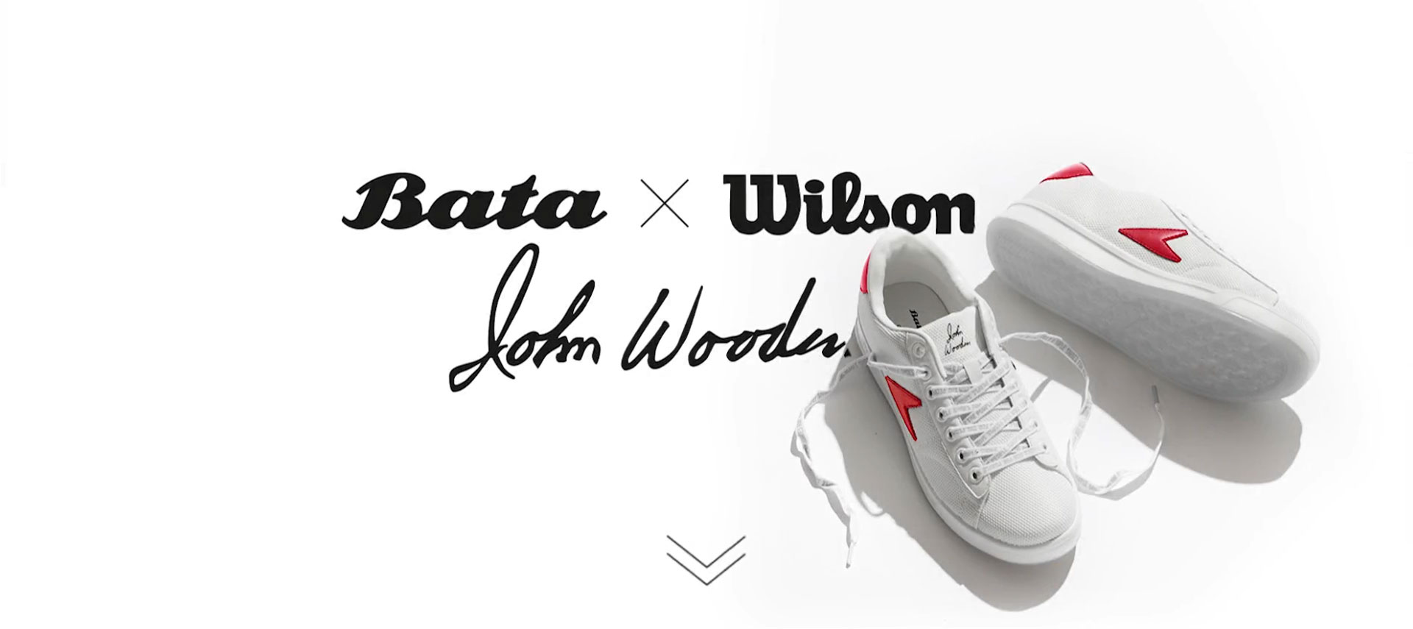
Row Labels | Description | Colour | Category | Picture | 34 | 35 | 36 | 37 | 38 | 39 | 40 | 41 | 42 | 43 | 44 | 45 | 46 | 47 | 48.5 | 49.5 | 50.5 | Grand Total
800-2101 | Grey Herringbone High Top Wool with Leather Trim | Bata Bullets | BULLETS |  |  |  | 14 | 27 | 43 | 45 | 67 | 86 | 109 | 98 | 70 | 32 | 13 |  |  |  |  | 604
800-5101 | Red Wine High Top Wool with Leather Trim | AW 2018 Wool with Leather Trimmings | BULLETS |  |  |  | 14 | 27 | 42 | 42 | 67 | 92 | 117 | 117 | 78 | 39 | 15 |  |  |  |  | 650
880-9304 | Blue Tone-on-Tone Low Top Wool | AW 2018 Wool | HOTSHOTS |  |  |  | 14 | 28 | 41 | 42 | 68 | 93 | 120 | 120 | 80 | 40 | 12 |  |  |  |  | 658
889-0304 | Bata Hotshots White & Blue Low Top Canvas | White Red & Blue Low Top Canvas | HOTSHOTS |  |  |  | 0 | 0 | 13 | 17 | 29 | 52 | 75 | 84 | 50 | 20 | 1 |  |  |  |  | 341
889-5301 | Red & Blue Low Top Canvas | Bata Hotshots | HOTSHOTS |  |  |  | 13 | 25 | 44 | 44 | 50 | 53 | 68 | 76 | 51 | 22 | 2 |  |  |  |  | 448
889-6303 | Black & Yellow Low Top Canvas | Bata Hotshots | HOTSHOTS |  |  |  | 20 | 23 | 49 | 50 | 96 | 110 | 139 | 145 | 111 | 51 | 5 |  |  |  |  | 799
804-1401 | John Wooden High Top Blue Logo Leather |  | John Wooden |  |  |  | 0 | 0 | 0 | 0 | 46 | 94 | 140 | 137 | 98 | 42 | 2 | 4 | 6 | 7 | 7 | 583
804-1402 | John Wooden High Top Black Logo Leather |  | John Wooden |  |  |  | 9 | 33 | 62 | 58 | 58 | 38 | 22 | 24 | 14 | 1 | 0 | 0 | 4 | 7 | 7 | 337
804-1403 | John Wooden High Top Green Logo Leather |  | John Wooden |  |  |  | 0 | 0 | 0 | 0 | 53 | 105 | 153 | 153 | 105 | 45 | 4 | 4 | 5 | 7 | 7 | 641
804-5401 | John Wooden High Top Basketball Limited |  | John Wooden |  |  |  | 1 | 3 | 9 | 8 | 45 | 70 | 99 | 87 | 66 | 6 | 0 |  |  |  |  | 394
884-1401 | John Wooden Low Top Pink Logo Leather | John Wooden Sneaker By Bata X Wilson | John Wooden |  |  |  | 37 | 78 | 130 | 141 | 91 | 33 | 0 | 0 | 0 | 0 | 0 |  |  |  |  | 510
884-1402 | John Wooden Low Top Burgundy Logo Leather | John Wooden Sneaker By Bata X Wilson | John Wooden |  |  |  | 22 | 48 | 78 | 80 | 63 | 28 | 0 | 2 | 2 | 0 | 0 |  |  |  |  | 323
884-1403 | John Wooden Low Top Yellow Logo Leather |  | John Wooden |  |  |  | 5 | 11 | 29 | 25 | 39 | 44 | 46 | 51 | 40 | 0 | 2 |  |  |  |  | 292
884-5401 | John Wooden Low Top Basketball Limited |  | John Wooden |  |  |  | 8 | 22 | 33 | 31 | 53 | 55 | 66 | 68 | 52 | 8 | 1 |  |  |  |  | 397
889-1101 | Bata Bullets White Low Top with Blue Foxing | White & Blue Foxing | Bullets |  |  | 4 | 8 | 50 | 48 | 39 | 75 | 75 | 59 | 51 | 27 | 15 | 6 |  |  |  |  | 457
889-6104 | Bata Bullets Classic Black Low Top Canvas | Classic Black | Bullets |  |  | 19 | 54 | 54 | 33 | 38 | 95 | 97 | 39 | 16 | 28 | 7 | 26 |  |  |  |  | 506
889-9104 | Bata Bullets Classic Blue Low Top Canvas | Classic Blue | Bullets |  |  | 6 | 23 | 51 | 44 | 48 | 88 | 92 | 85 | 66 | 41 | 27 | 7 |  |  |  |  | 578
889-1301 | Bata Hotshots White, Beige & Yellow Low Top Canvas | White/Beige/ Yellow | Hotshots |  |  | 2 | 6 | 16 | 31 | 38 | 47 | 32 | 46 | 56 | 33 | 23 | 6 |  |  |  |  | 336
880-1401 | John Wooden Mesh White and Green Low Top Meash/Leather | White & Green | John Wooden |  |  | 0 | 10 | 35 | 35 | 43 | 66 | 74 | 67 | 63 | 39 | 28 | 4 |  |  |  |  | 464
884-1403 | John Wooden White & Yellow Low Top Leather | White & Yellow | John Wooden |  |  | 19 | 38 | 77 | 59 | 62 | 88 | 83 | 49 | 30 | 30 | 20 | 14 |  |  |  |  | 569
884-1404 | John Wooden Stripw Tape White & Green Low Top Leather | Wjite & Green | John Wooden |  |  | 4 | 0 | 10 | 8 | 20 | 51 | 60 | 71 | 67 | 43 | 29 | 6 |  |  |  |  | 369
 |  |  |  |  |  |  |  |  |  |  |  |  |  |  |  |  |  |  |  |  |  | 10,256
 |  |  |  |  |  |  |  |  |  |  |  |  |  |  |  |  |  |  |  |  | CLOSEOUT PRICE | $13.90

